Pelagic Trawl
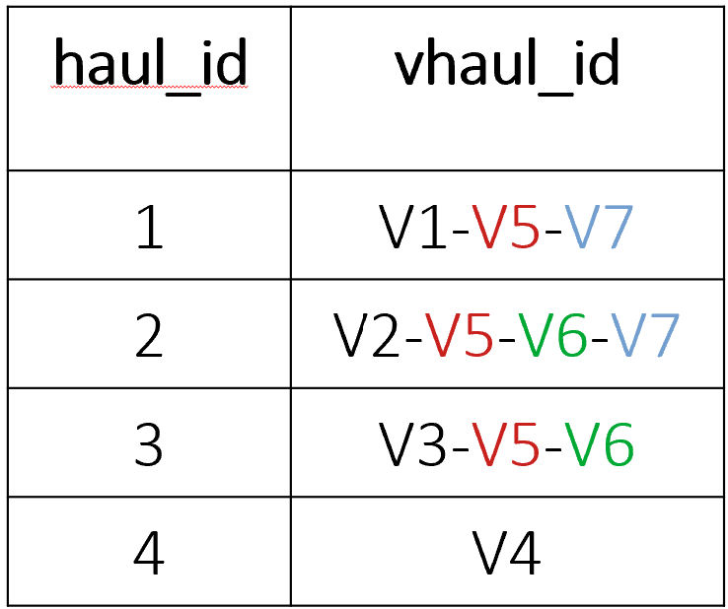
# | PK | Field name | Data type | Description
 |  | medias_pelagic_trawl_haul TABLE 1 |  |  | medias_pelagic_trawl_haul Validation Scheme (human-readable)
1 | Ö | survey_name | varchar(14) | Survey name (e.g. MEDIAS) | any(MEDIAS)
2 | Ö | cd_country | varchar(3) | Country ISO 3166 international standard | any(BGR, GRC, ESP, FRA, HRV, ITA, CYP, MLT, ROU, SVN)
3 | Ö | gsa | varchar(7) | GFCM Geographical subarea | any(GSA1, GSA2, GSA3, GSA4, GSA5, GSA6, GSA7, GSA8, GSA9, GSA10, GSA11.1, GSA11.2, GSA11, GSA12, GSA13, GSA14, GSA15, GSA16, GSA17, GSA18, GSA19, GSA20, GSA21, GSA22, GSA23, GSA24, GSA25, GSA26, GSA27, GSA28, GSA29, GSA30)
4 | Ö | survey_area | varchar(32) | Survey area (may extend more than one GSA, e.g. Iberian coast) | any(AdrSea-HRV-IOR, AdrSea-ITA-IRBIM, AdrSea-SVN-FRIS, AegSea-GRC-IMBRIW, BSea-BGR-IO-BAS, BSea-ROU-NIMRD, EIonSea-GRC-IMBRIW, GLion-FRA-IFREMER, IberCoast-ESP-CNIEO, SardEast-ITA-IAS, SicChan-ITA-IAS, TyrLigSea-ITA-IAS)
5 | Ö | geographical_stratum | varchar(32) | Geographical stratum (area inside a GSA and survey area) | any(Gulf of Lion, Central Adriatic Sea, North Adriatic Sea, South Adriatic Sea, IOR, NA, SRGRC-AMVRAKIKOSG, SRGRC-CHALKIDIKIG, SRGRC-CORINTHIAKOSG, SRGRC-ETHASSOS, SRGRC-KERKIRAIKOSG, SRGRC-NEVOIKOS, SRGRC-NIONIAN, SRGRC-PATRAIKOSG, SRGRC-SARONIKOSG, SRGRC-SEVOIKOS, SRGRC-SIONIAN, SRGRC-THERMAIKOSG, SRGRC-WTHASSOS)
6 | Ö | cd_centre | varchar(14) | Research center code | any(CNR-FRIS, ARM, IEO/CSIC, CNR, CSIC, FRIS, HCMR, IFREMER, IO-BAS, IOR, JRC, NIMRD, FAO, ICES)
7 | Ö | cd_inst | varchar(14) | Research institute code | any(IRBIM-FRIS, ARM, COB, IAS, IRBIM, CNIEO, ICM, FRIS, IMBRIW, IFREMER, IO-BAS, IOR, NIMRD); depends on the cd_centre value
8 | Ö | cd_vessel | varchar(12) | Vessel code | any(BIO, EUR, PHI, AEG, DAL, MIO)
9 | Ö | sampling_year | int2 | Sampling year | integer in range [2003, 2024]
10 | Ö | cd_cruise | varchar(14) | Cruise code | non-empty string of up to 14 characters
11 | Ö | gear | varchar(14) | Gear code | any(P1MO4, 4FF176, 4PM159, ATGM47-43, OTM)
12 | Ö | haul_id | varchar(14) | Haul ID | non-empty string of up to 14 characters
13 |  | vhaul_id | varchar(64) | Virtual haul ID - ARIS will provide detail description (refer to line 100 for an example of how vhaul_id could be generated) | equal to V+haul_id or combination of more than one haul_id separated by the symbol (-); e.g. V15, V10-V20
14 |  | latitude | numeric(7, 4) | Latitude (decimal degrees with 4 digits) | latitude in decimal degrees with at maximum 4 digits after the decimal point; accepted values [34 - 45.70]
15 |  | longitude | numeric(7, 4) | Longitude (decimal degrees with 4 digits) | longitude in decimal degrees with at maximum 4 digits after the decimal point; accepted values [-5.5 - 35]
16 |  | bottom_depth_start | int2 | Bottom depth start (m) | integer in range [10, 1500]
17 |  | bottom_depth_end | int2 | Bottom depth end (m) | integer in range [10, 1500]
18 |  | sampling_date | date | Sampling date (dd/mm/yyyy) | date in the format dd/mm/yyyy
19 |  | time_start | timestamp | Time start (when the net is operational) (dd/mm/yyyy hh:mi) - UNIVERSAL TIME | time stamp in the format dd/mm/yyyy hh:mi:ss
20 |  | time_end | timestamp | Time end (when the net is hauling) (dd/mm/yyyy hh:mi) - UNIVERSAL TIME | time stamp in the format dd/mm/yyyy hh:mi:ss
21 |  | duration | int2 | Duration (hauling duration in minutes) | integer in range [10, 180]
22 |  | average_fishing_speed | numeric(5, 2) | Average fishing speed (knots) | number in the range [1.5, 7] with at maximum 2 digits after the decimal point
23 |  | net_average_depth | numeric(4, 1) | (optional) Net average depth (m) [-1 if not known] | number in the range [5, 800] with at maximum 1 digit after the decimal point or -1
24 |  | net_horizontal_opening | numeric(5, 2) | (optional) Average values of Net horizontal opening (m) [-1 if not known] | number in the range [5, 35] with at maximum 2 digit after the decimal point or -1
25 |  | net_vertical_opening | numeric(5, 2) | (optional) Average values of Net vertical opening (m) [-1 if not known] | number in the range [1, 25] with at maximum 2 digit after the decimal point or -1
26 |  | calibration_id | int2 | (optional) The echosounder calibration identification code (e.g. 1, 2). Used to associate acoustic integration data in other tables with the specific instrument calibration applied during data collection & analysis. [-1 if not known] | integer in range [1, 999] or -1

 |  | medias_pelagic_trawl_species TABLE 2: all species |  |  | medias_pelagic_trawl_species Validation Scheme (human-readable)
1 | Ö | survey_name | varchar(14) | Survey name (e.g. MEDIAS) | any(MEDIAS)
2 | Ö | cd_country | varchar(3) | Country ISO 3166 international standard | any(BGR, GRC, ESP, FRA, HRV, ITA, CYP, MLT, ROU, SVN)
3 | Ö | gsa | varchar(7) | GFCM Geographical subarea | any(GSA1, GSA2, GSA3, GSA4, GSA5, GSA6, GSA7, GSA8, GSA9, GSA10, GSA11.1, GSA11.2, GSA11, GSA12, GSA13, GSA14, GSA15, GSA16, GSA17, GSA18, GSA19, GSA20, GSA21, GSA22, GSA23, GSA24, GSA25, GSA26, GSA27, GSA28, GSA29, GSA30)
4 | Ö | survey_area | varchar(32) | Survey area (may extend more than one GSA, e.g. Iberian coast) | any(AdrSea-HRV-IOR, AdrSea-ITA-IRBIM, AdrSea-SVN-FRIS, AegSea-GRC-IMBRIW, BSea-BGR-IO-BAS, BSea-ROU-NIMRD, EIonSea-GRC-IMBRIW, GLion-FRA-IFREMER, IberCoast-ESP-CNIEO, SardEast-ITA-IAS, SicChan-ITA-IAS, TyrLigSea-ITA-IAS)
5 | Ö | geographical_stratum | varchar(32) | Geographical stratum (area inside a GSA and survey area) | any(Gulf of Lion, Central Adriatic Sea, North Adriatic Sea, South Adriatic Sea, IOR, NA, SRGRC-AMVRAKIKOSG, SRGRC-CHALKIDIKIG, SRGRC-CORINTHIAKOSG, SRGRC-ETHASSOS, SRGRC-KERKIRAIKOSG, SRGRC-NEVOIKOS, SRGRC-NIONIAN, SRGRC-PATRAIKOSG, SRGRC-SARONIKOSG, SRGRC-SEVOIKOS, SRGRC-SIONIAN, SRGRC-THERMAIKOSG, SRGRC-WTHASSOS)
6 | Ö | cd_centre | varchar(14) | Research center code | any(CNR-FRIS, ARM, IEO/CSIC, CNR, CSIC, FRIS, HCMR, IFREMER, IO-BAS, IOR, JRC, NIMRD, FAO, ICES)
7 | Ö | cd_inst | varchar(14) | Research institute code | any(IRBIM-FRIS, ARM, COB, IAS, IRBIM, CNIEO, ICM, FRIS, IMBRIW, IFREMER, IO-BAS, IOR, NIMRD); depends on the cd_centre value
8 | Ö | cd_vessel | varchar(12) | Vessel code | any(BIO, EUR, PHI, AEG, DAL, MIO)
9 | Ö | sampling_year | int2 | Sampling year | integer in range [2003, 2024]
10 | Ö | cd_cruise | varchar(14) | Cruise code | non-empty string of up to 14 characters
11 | Ö | gear | varchar(14) | Gear code | any(P1MO4, 4FF176, 4PM159, ATGM47-43, OTM)
12 | Ö | haul_id | varchar(14) | Haul ID | non-empty string of up to 14 characters
13 | Ö | species | varchar(7) | Species code: species list based on ASFIS FAO and WoRMS (for MEDIAS purposes) | any species included in the MEDIAS species list
14 | Ö | size_category | char(1) | Size category: S=small, L=large ,C=combine // default value='C' | any(S, L, C)
15 |  | t_catch | numeric(10, 4) | Catch (Kg), all organisms | number > 0 with a maximum total length of 10, where at maximum 4 digits are allowed after the decimal point
16 |  | percentage_weight | numeric(10, 7) | Percentage weight (total weight % of species in the haul) | Real numbers >0 and <=100 where at maximum 7 digits are allowed after the decimal point
17 |  | subsample_weight | numeric(6, 3) | (Optional) Subsample weight (Kg) [-1 if not avalilable] | Real numbers > 0 have at most 3 digits before and 3 digits after the decimal point or exactly -1
18 |  | subsample_number | int2 | (Optional) Subsample number [-1 if not avalilable] | integer 1 to 1000 including -1
19 |  | species_mean_length | int2 | Species mean length (mm) | matches integers between 1 and 3000; specify length interval per species or -1 (e.g. in case for jellyfish)
20 |  | species_mean_weight | int2 | Species mean weight (g) | integer greater than zero or -1 (e.g. in case for jellyfish)
21 |  | maturity_scale | varchar(14) | Maturity scale (ICES WKSPMAT, MEDITS) | any(ICES WKSPMAT, MEDITS)

 |  | medias_pelagic_trawl_length_classes TABLE 3: only small pelagic species |  |  | medias_pelagic_trawl_length_classes Validation Scheme (human-readable)
1 | Ö | survey_name | varchar(14) | Survey name (e.g. MEDIAS) | any(MEDIAS)
2 | Ö | cd_country | varchar(3) | Country ISO 3166 international standard | any(BGR, GRC, ESP, FRA, HRV, ITA, CYP, MLT, ROU, SVN)
3 | Ö | gsa | varchar(7) | GFCM Geographical subarea | any(GSA1, GSA2, GSA3, GSA4, GSA5, GSA6, GSA7, GSA8, GSA9, GSA10, GSA11.1, GSA11.2, GSA11, GSA12, GSA13, GSA14, GSA15, GSA16, GSA17, GSA18, GSA19, GSA20, GSA21, GSA22, GSA23, GSA24, GSA25, GSA26, GSA27, GSA28, GSA29, GSA30)
4 | Ö | survey_area | varchar(32) | Survey area (may extend more than one GSA, e.g. Iberian coast) | any(AdrSea-HRV-IOR, AdrSea-ITA-IRBIM, AdrSea-SVN-FRIS, AegSea-GRC-IMBRIW, BSea-BGR-IO-BAS, BSea-ROU-NIMRD, EIonSea-GRC-IMBRIW, GLion-FRA-IFREMER, IberCoast-ESP-CNIEO, SardEast-ITA-IAS, SicChan-ITA-IAS, TyrLigSea-ITA-IAS)
5 | Ö | geographical_stratum | varchar(32) | Geographical stratum (area inside a GSA and survey area) | any(Gulf of Lion, Central Adriatic Sea, North Adriatic Sea, South Adriatic Sea, IOR, NA, SRGRC-AMVRAKIKOSG, SRGRC-CHALKIDIKIG, SRGRC-CORINTHIAKOSG, SRGRC-ETHASSOS, SRGRC-KERKIRAIKOSG, SRGRC-NEVOIKOS, SRGRC-NIONIAN, SRGRC-PATRAIKOSG, SRGRC-SARONIKOSG, SRGRC-SEVOIKOS, SRGRC-SIONIAN, SRGRC-THERMAIKOSG, SRGRC-WTHASSOS)
6 | Ö | cd_centre | varchar(14) | Research center code | any(CNR-FRIS, ARM, IEO/CSIC, CNR, CSIC, FRIS, HCMR, IFREMER, IO-BAS, IOR, JRC, NIMRD, FAO, ICES)
7 | Ö | cd_inst | varchar(14) | Research institute code | any(IRBIM-FRIS, ARM, COB, IAS, IRBIM, CNIEO, ICM, FRIS, IMBRIW, IFREMER, IO-BAS, IOR, NIMRD); depends on the cd_centre value
8 | Ö | cd_vessel | varchar(12) | Vessel code | any(BIO, EUR, PHI, AEG, DAL, MIO)
9 | Ö | sampling_year | int2 | Sampling year | integer in range [2003, 2024]
10 | Ö | cd_cruise | varchar(14) | Cruise code | non-empty string of up to 14 characters
11 | Ö | gear | varchar(14) | Gear code | any(P1MO4, 4FF176, 4PM159, ATGM47-43, OTM)
12 | Ö | haul_id | varchar(14) | Haul ID | non-empty string of up to 14 characters
13 | Ö | species | varchar(7) | Species code: species list based on ASFIS FAO and WoRMS (for MEDIAS purposes) | any species included in the MEDIAS species list
14 | Ö | size_category | char(1) | Size category: S=small, L=large ,C=combine // default value='C' | any(S, L, C)
15 | Ö | length_class | int2 | Length class (mm) // include in the consistency check the length interval of S, L (take into consideration the field 19 of table 2) | integer in range [10, 3000]
16 |  | n_at_length | int2 | Number at length (estimated n of individuals at length class) | integer >0
17 |  | weight_at_length | int2 | Weight at length (estimated by haul) (g) | integer in range [1,500000] or -1 (e.g. in case for jellyfish)
18 |  | n_sampled | int2 | Number sampled (N of individuals measured) | integer >0 or -1

 |  | medias_pelagic_trawl_bio_individual TABLE 4: only small pelagic species |  |  | medias_pelagic_trawl_bio_individual Validation Scheme (human-readable)
1 | Ö | survey_name | varchar(14) | Survey name (e.g. MEDIAS) | any(MEDIAS)
2 | Ö | cd_country | varchar(3) | Country ISO 3166 international standard | any(BGR, GRC, ESP, FRA, HRV, ITA, CYP, MLT, ROU, SVN)
3 | Ö | gsa | varchar(7) | GFCM Geographical subarea | any(GSA1, GSA2, GSA3, GSA4, GSA5, GSA6, GSA7, GSA8, GSA9, GSA10, GSA11.1, GSA11.2, GSA11, GSA12, GSA13, GSA14, GSA15, GSA16, GSA17, GSA18, GSA19, GSA20, GSA21, GSA22, GSA23, GSA24, GSA25, GSA26, GSA27, GSA28, GSA29, GSA30)
4 | Ö | survey_area | varchar(32) | Survey area (may extend more than one GSA, e.g. Iberian coast) | any(AdrSea-HRV-IOR, AdrSea-ITA-IRBIM, AdrSea-SVN-FRIS, AegSea-GRC-IMBRIW, BSea-BGR-IO-BAS, BSea-ROU-NIMRD, EIonSea-GRC-IMBRIW, GLion-FRA-IFREMER, IberCoast-ESP-CNIEO, SardEast-ITA-IAS, SicChan-ITA-IAS, TyrLigSea-ITA-IAS)
5 | Ö | geographical_stratum | varchar(32) | Geographical stratum (area inside a GSA and survey area) | any(Gulf of Lion, Central Adriatic Sea, North Adriatic Sea, South Adriatic Sea, IOR, NA, SRGRC-AMVRAKIKOSG, SRGRC-CHALKIDIKIG, SRGRC-CORINTHIAKOSG, SRGRC-ETHASSOS, SRGRC-KERKIRAIKOSG, SRGRC-NEVOIKOS, SRGRC-NIONIAN, SRGRC-PATRAIKOSG, SRGRC-SARONIKOSG, SRGRC-SEVOIKOS, SRGRC-SIONIAN, SRGRC-THERMAIKOSG, SRGRC-WTHASSOS)
6 | Ö | cd_centre | varchar(14) | Research center code | any(CNR-FRIS, ARM, IEO/CSIC, CNR, CSIC, FRIS, HCMR, IFREMER, IO-BAS, IOR, JRC, NIMRD, FAO, ICES)
7 | Ö | cd_inst | varchar(14) | Research institute code | any(IRBIM-FRIS, ARM, COB, IAS, IRBIM, CNIEO, ICM, FRIS, IMBRIW, IFREMER, IO-BAS, IOR, NIMRD); depends on the cd_centre value
8 | Ö | cd_vessel | varchar(12) | Vessel code | any(BIO, EUR, PHI, AEG, DAL, MIO)
9 | Ö | sampling_year | int2 | Sampling year | integer in range [2003, 2024]
10 | Ö | cd_cruise | varchar(14) | Cruise code | non-empty string of up to 14 characters
11 | Ö | gear | varchar(14) | Gear code | any(P1MO4, 4FF176, 4PM159, ATGM47-43, OTM)
12 | Ö | haul_id | varchar(14) | Haul ID | non-empty string of up to 14 characters
13 | Ö | species | varchar(3) | Species code according to ASFIS FAO | any species included in the MEDIAS species list
14 | Ö | individual_id | varchar(128) | Unique ID in database - [Survey name] [Country][GSA] [Survey area] [Geo Stratum] [Centre] [Institute] [Vessel] [Cruise] [Haul][Species][Stage][Sex][Length] [individual number] provide better description | non-empty string of up to 128 characters
15 |  | individual_total_length | int2 | Individual total length (mm) | integer in range [5, 1000]
16 |  | individual_total_weight | numeric(6,2) | Individual total weight (g) | match real numbers greater than 0 with at most 4 digits before the decimal point and at most 2 digits after the decimal point or -1
17 |  | individual_eviscerated_weight | numeric(6,2) | (optional) Individual eviscerated weight (g) [-1 if not available] | match real numbers greater than 0 with at most 4 digits before the decimal point and at most 2 digits after the decimal point, or -1
18 |  | sex | bpchar(1) | (optional) Sex [empty if not available] - , columnDefinition = "bpchar(1)" | any(M, F, U) or empty
19 |  | maturity | varchar(3) | (optional) Maturity stage [empty if not available] | any(I, II, III, IV, V, VI, 1, 2, 3, 4, 5, 6) or empty
20 |  | age | int2 | (optional) Age [-1 if not available] | integer in range [0, 15] or -1
21 |  | gonad_weight | numeric(5,2) | (optional) Gonad weight (g) [-1 if not available] | match real numbers greater than 0 with at most 3 digits before the decimal point and at most 2 digits after the decimal point, or -1
22 |  | stomach_weight | numeric(5,2) | (optional) Stomach weight (g) [-1 if not available] | match real numbers greater than 0 with at most 3 digits before the decimal point and at most 2 digits after the decimal point, or -1
23 |  | notes | varchar(1024) | (optional) Notes [or empty] | free text up to 1014 characters

 |  | example of how vhaul_id could be generated (proposed by Aris)
 |  | medias_pelagic_trawl_haul TABLE 1
1 | Ö | survey_name | varchar(14) | Survey name (e.g. MEDIAS)
2 | Ö | cd_country | varchar(3) | Country ISO 3166 international standard
3 | Ö | gsa | varchar(7) | GFCM Geographical subarea
4 | Ö | survey_area | varchar(32) | Survey area (may extend more than one GSA, e.g. Iberian coast)
5 | Ö | geographical_stratum | varchar(32) | Geographical stratum (area inside a GSA and survey area)
6 | Ö | cd_centre | varchar(14) | Research center code
7 | Ö | cd_inst | varchar(14) | Research institute code
8 | Ö | cd_vessel | varchar(12) | Vessel code
9 | Ö | sampling_year | int2 | Sampling year
10 | Ö | cd_cruise | varchar(14) | Cruise code
11 | Ö | gear | varchar(14) | Gear code
12 | Ö | haul_id | varchar(14) | Haul ID
13 | Ö | vhaul_id | varchar(14) | Virtual haul ID

If pooled hauls are not used, vhaul_id = haul_id (automatically handled in RDBFIS if no vhaul_id is given)
If used, vhaul_id is a comma-separated list of virtual haul ids in which the current haul_id participates
In medias_acoustics_sset_nasc (table 3), in field trawl_haul_reference the vhaul_id can be submitted (identical to haul_id if not used)

E.g. Not using haul pooling (no vhaul_id submitted) and submitting 4 hauls, RDBFIS will produce identical 1:1 vhaul_ids
 |  | Case 1

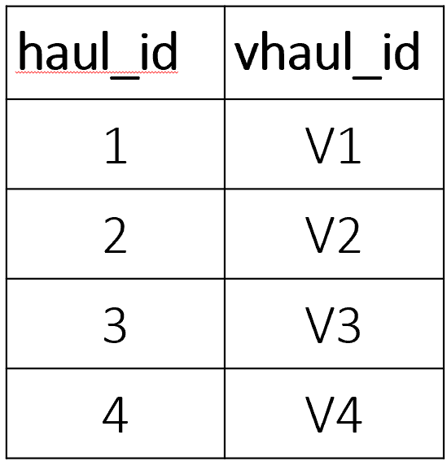

E.g. We want the following combinations:
Virtual haul 5 including haul_ids 1, 2, 3
Virtual haul 6 including haul_ids 2, 3
Virtual haul 7 including haul_ids 1, 2
For each haul_id, the virtual haul ids will be submitted
 |  | Case 2

